Instructions
SM3 Import Program: IMPD

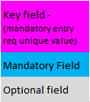
Col "A"
6 digit number (no space or dash/space between the 4+2 format). Must have leading zeroes to make account total of 6 numerical digits

Col "D"
Recommend "N" even for just one Warehouse... allows for setup of multiple Warehouses in the future

Delete rows 1 thru 3 and save as "Text- Tab Delimited" file
Import file to SM3

**Need to import prior to Product Line Import**

